COVER
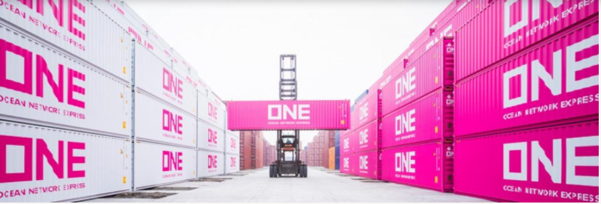


Europe - Asia (incl. West Asia/Oceania) Eastbound

FAK RATES
CONTRACT No. as per individual agreement
validities as per coloum A&B

ONE Trade Definitions AET EB
 | AEE |  | Europe - Asia EB incl Japan
 | WEE |  | Europe - West Asia EB
 | OEE |  | Europe - Oceania EB

Export Customer Service

Name |  | e-Mail | Function
Export Customer Service (Live Chat) |  | ONE LiveChat | You can use the ONE Live Chat function on our website to receive real-time information on export booking / documentation.

Export Customer Service |  | de.service.exp.bkg@one-line.com | Service
New Bookings |  | de.newbooking@one-line.com | Bookings

Export Documentation

Name |  | e-Mail | Function
Documentation Team (Live Chat) |  | ONE LiveChat | You can use the ONE Live Chat function on our website to receive real-time information on export booking / documentation.

Documentation Team |  | de.service.exp.doc@one-line.com | Service

General Information

Please find inland haulage service information under following link:
EUA Inland Services

Please find inland haulage prices under following link:
ONE Inland Haulage Rates Europe

Please find ONE schedule under following link:
ONE Point to Point Schedule

Please find ONE service maps under following link:
ONE Service Maps

Business Terms and Conditions printed on our ONE Bill of Lading which you may find at:
ONE B/L Terms

All quotations are given without prejudice nor any obligation and are subject to equipment, space availability, IMO acceptance whenever applicable. While every care is taken to ensure the accuracy of information, ONE cannot accept responsibility for errors or omissions. Quotations are subject to local and applicable tariff surcharges unless otherwise specifically agreed in written. Surcharges mentioned are rated at the time of shipment and therefore are variable. Any shipment will take place under ONE’s Bill of Lading terms and conditions and can be supplied upon request.

